Sheet1


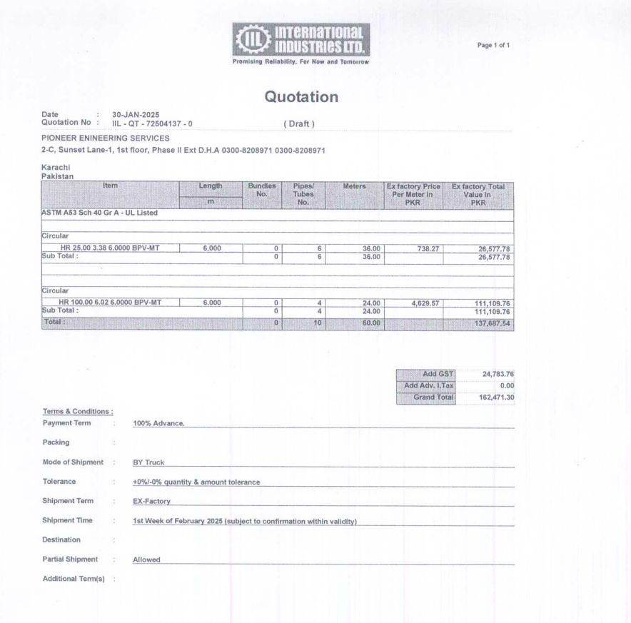

M/S International Industries Limited |  |  |  |  |  | 31-Jan-25

Att: Mr. Sohail Rafiq

PURCHASE ORDER

Supply of Circular ASTM A53 Sch 40 for the project (Meezan Bank Gujranwala)
S No. | D e s c r i p t i o n | Qty | Unit | Mtr | Rate | Amount
1 | HR 25 | 6 | LEN | 36 | 738.27 | 26,578
2 | HR 100 | 6 | LEN | 24 | 4,629.57 | 111,110
 |  | TOTAL: |  |  |  | 137,687
GST 18% |  |  |  |  |  | 24,784
Total amount |  |  |  |  |  | 162,472

 |  | 4 |  |  |  |  | 26,578
for PIONEER ENGINEERING SERVICES |  | 6 |  | 4
 |  |  |  | 12 | 55,555

 |  |  |  |  |  | 17,718.48
 |  |  |  |  |  | 26578
 |  |  |  |  |  | -8,859.52

 |  |  |  |  |  | 55,554.84

 |  |  |  |  |  | 46,695.32
 |  |  |  |  |  | 8,405.16
 |  |  |  |  |  | 55,100.48

